UX
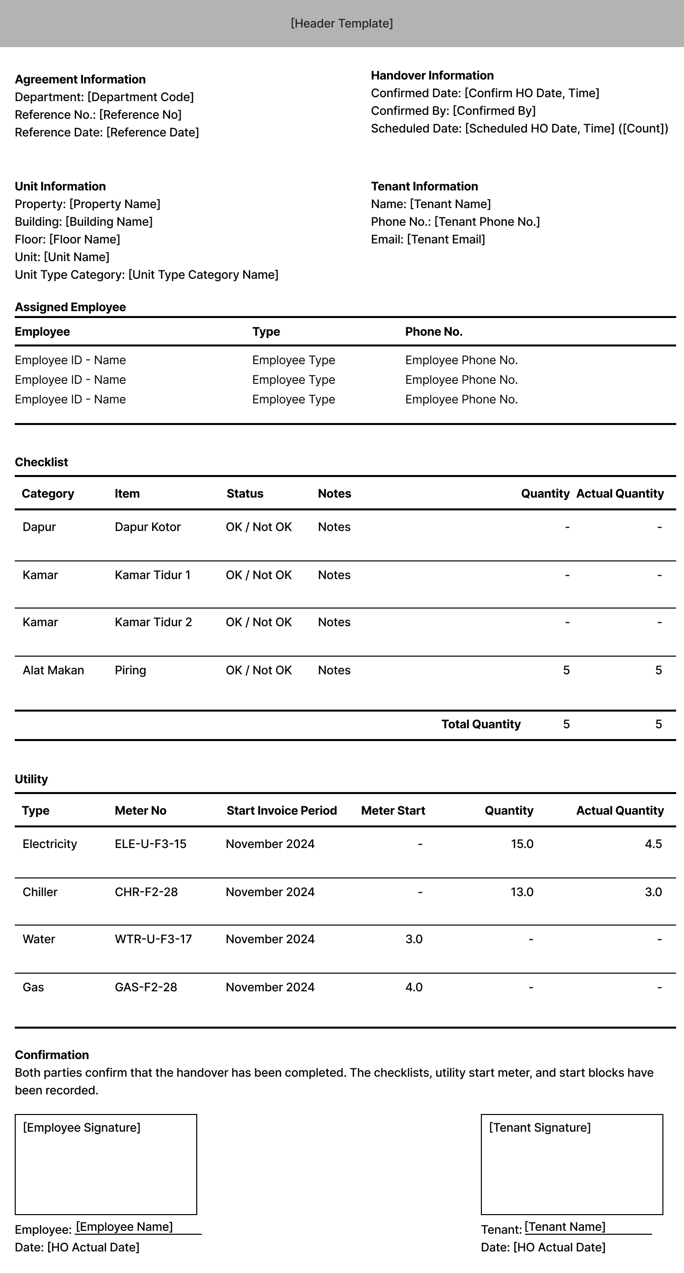
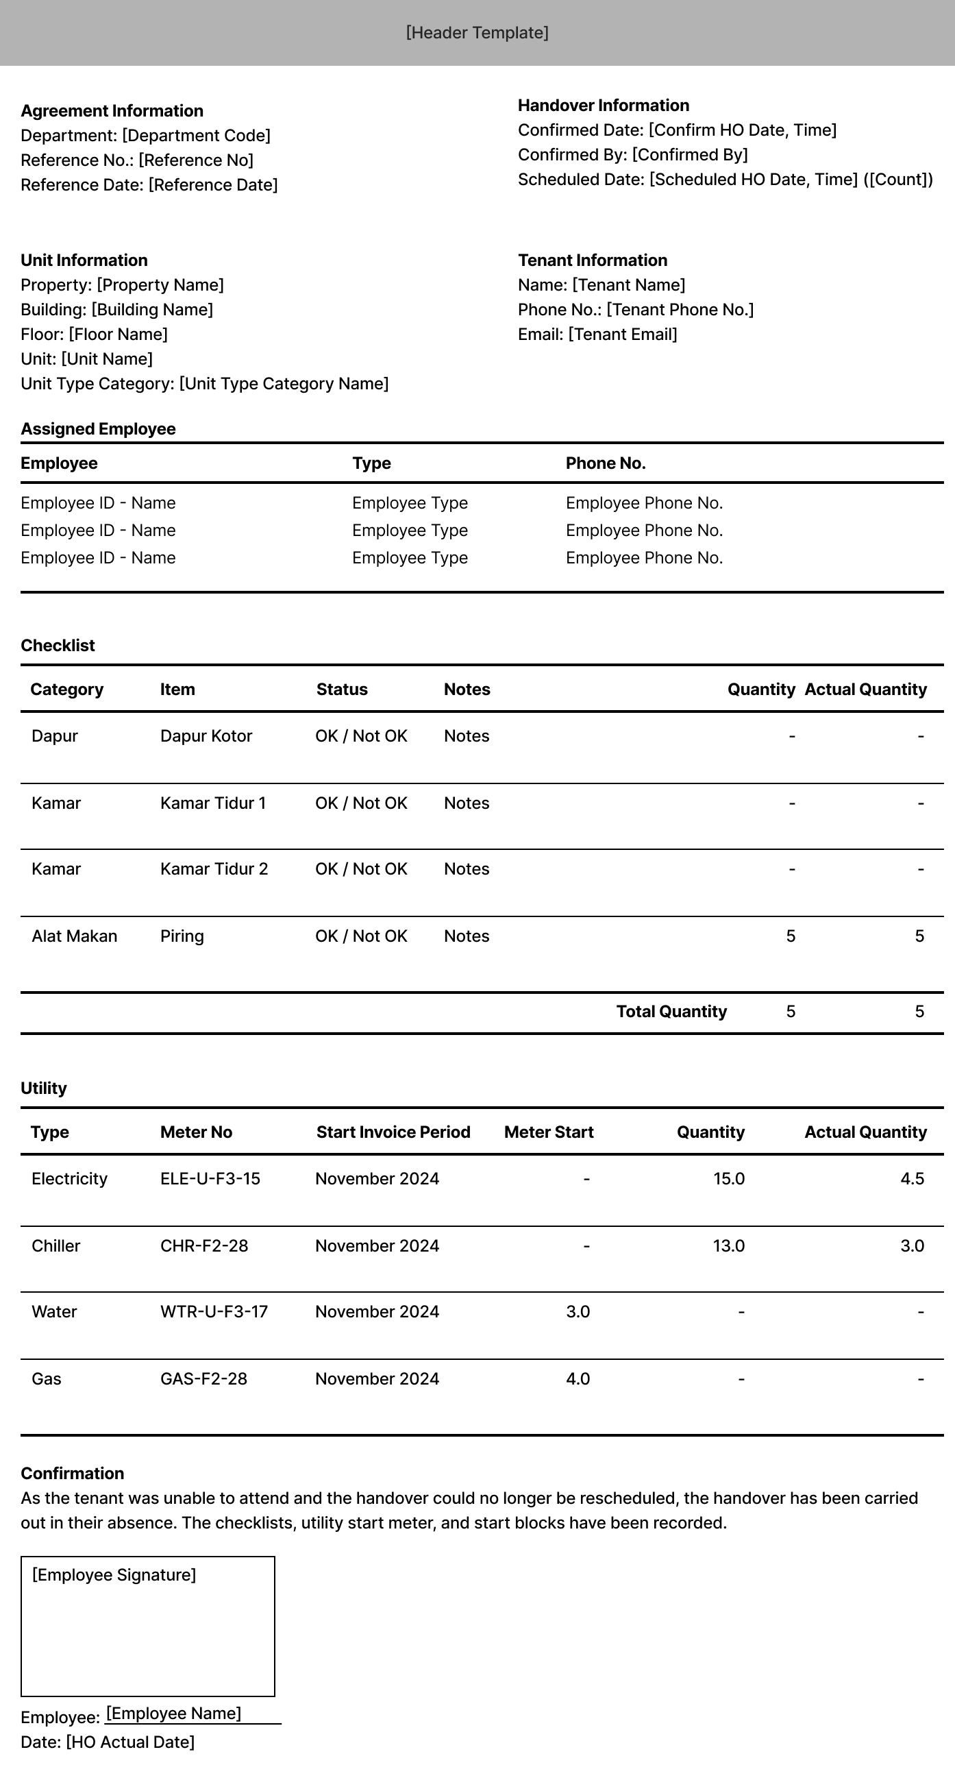
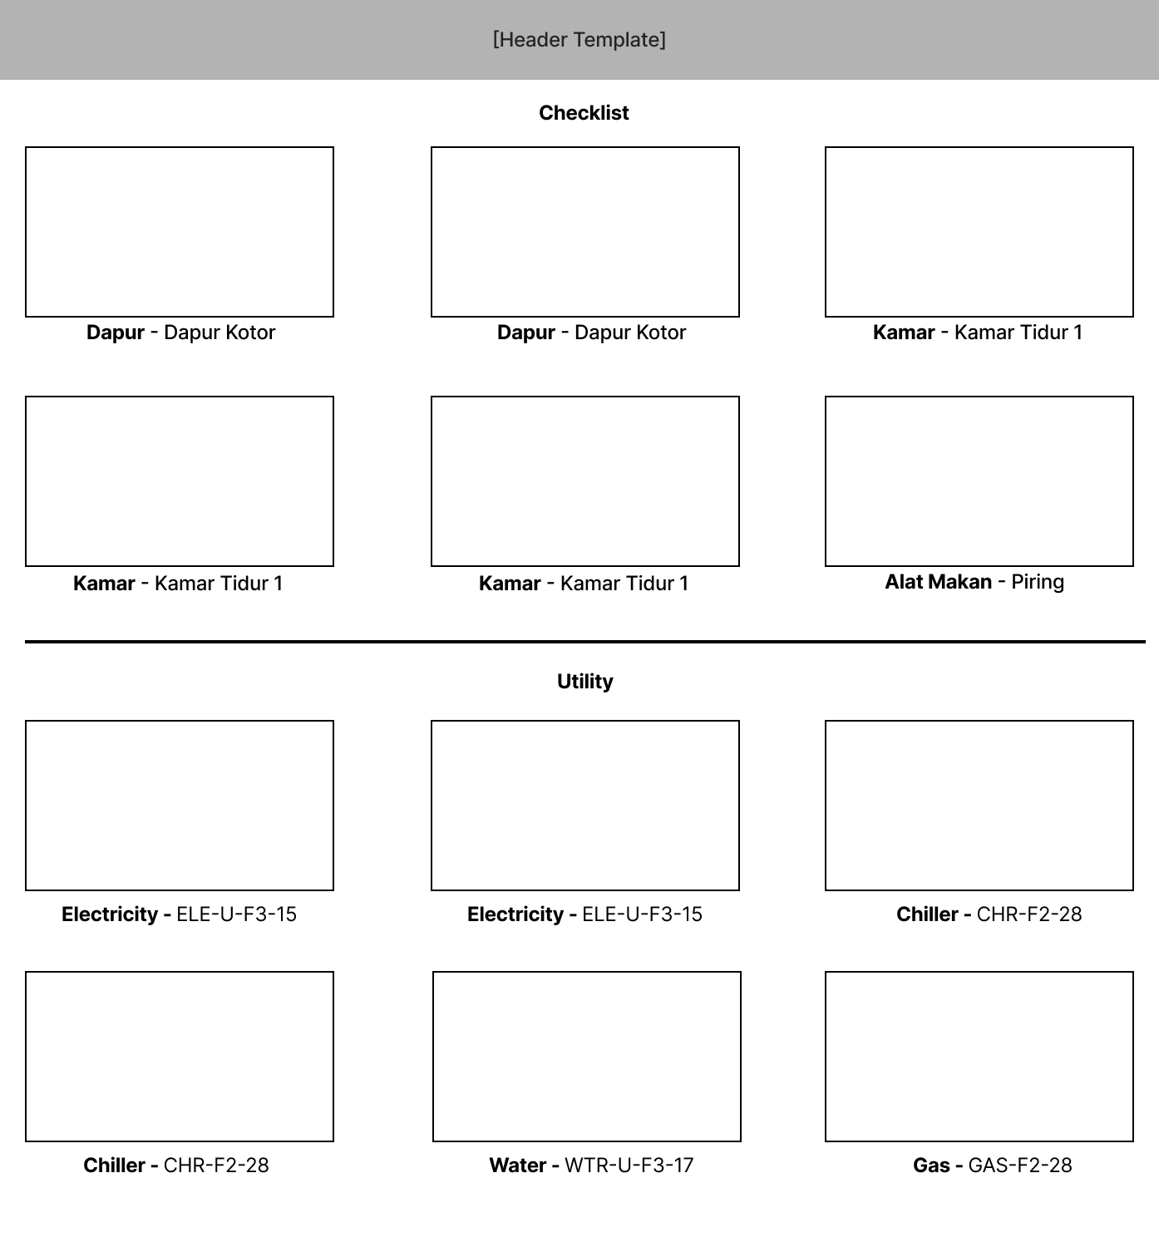
LFORCED_HO = 0 | LFORCED_HO = 1 | LINCLUDE_IMAGES = 1

CR01
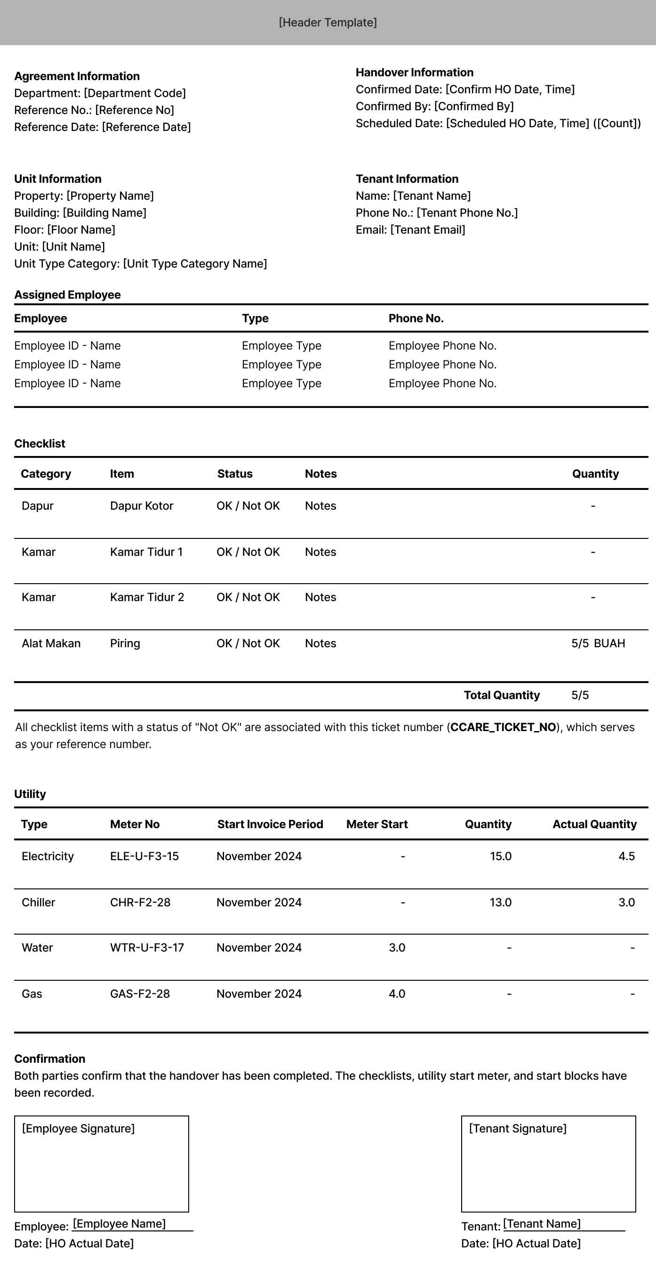
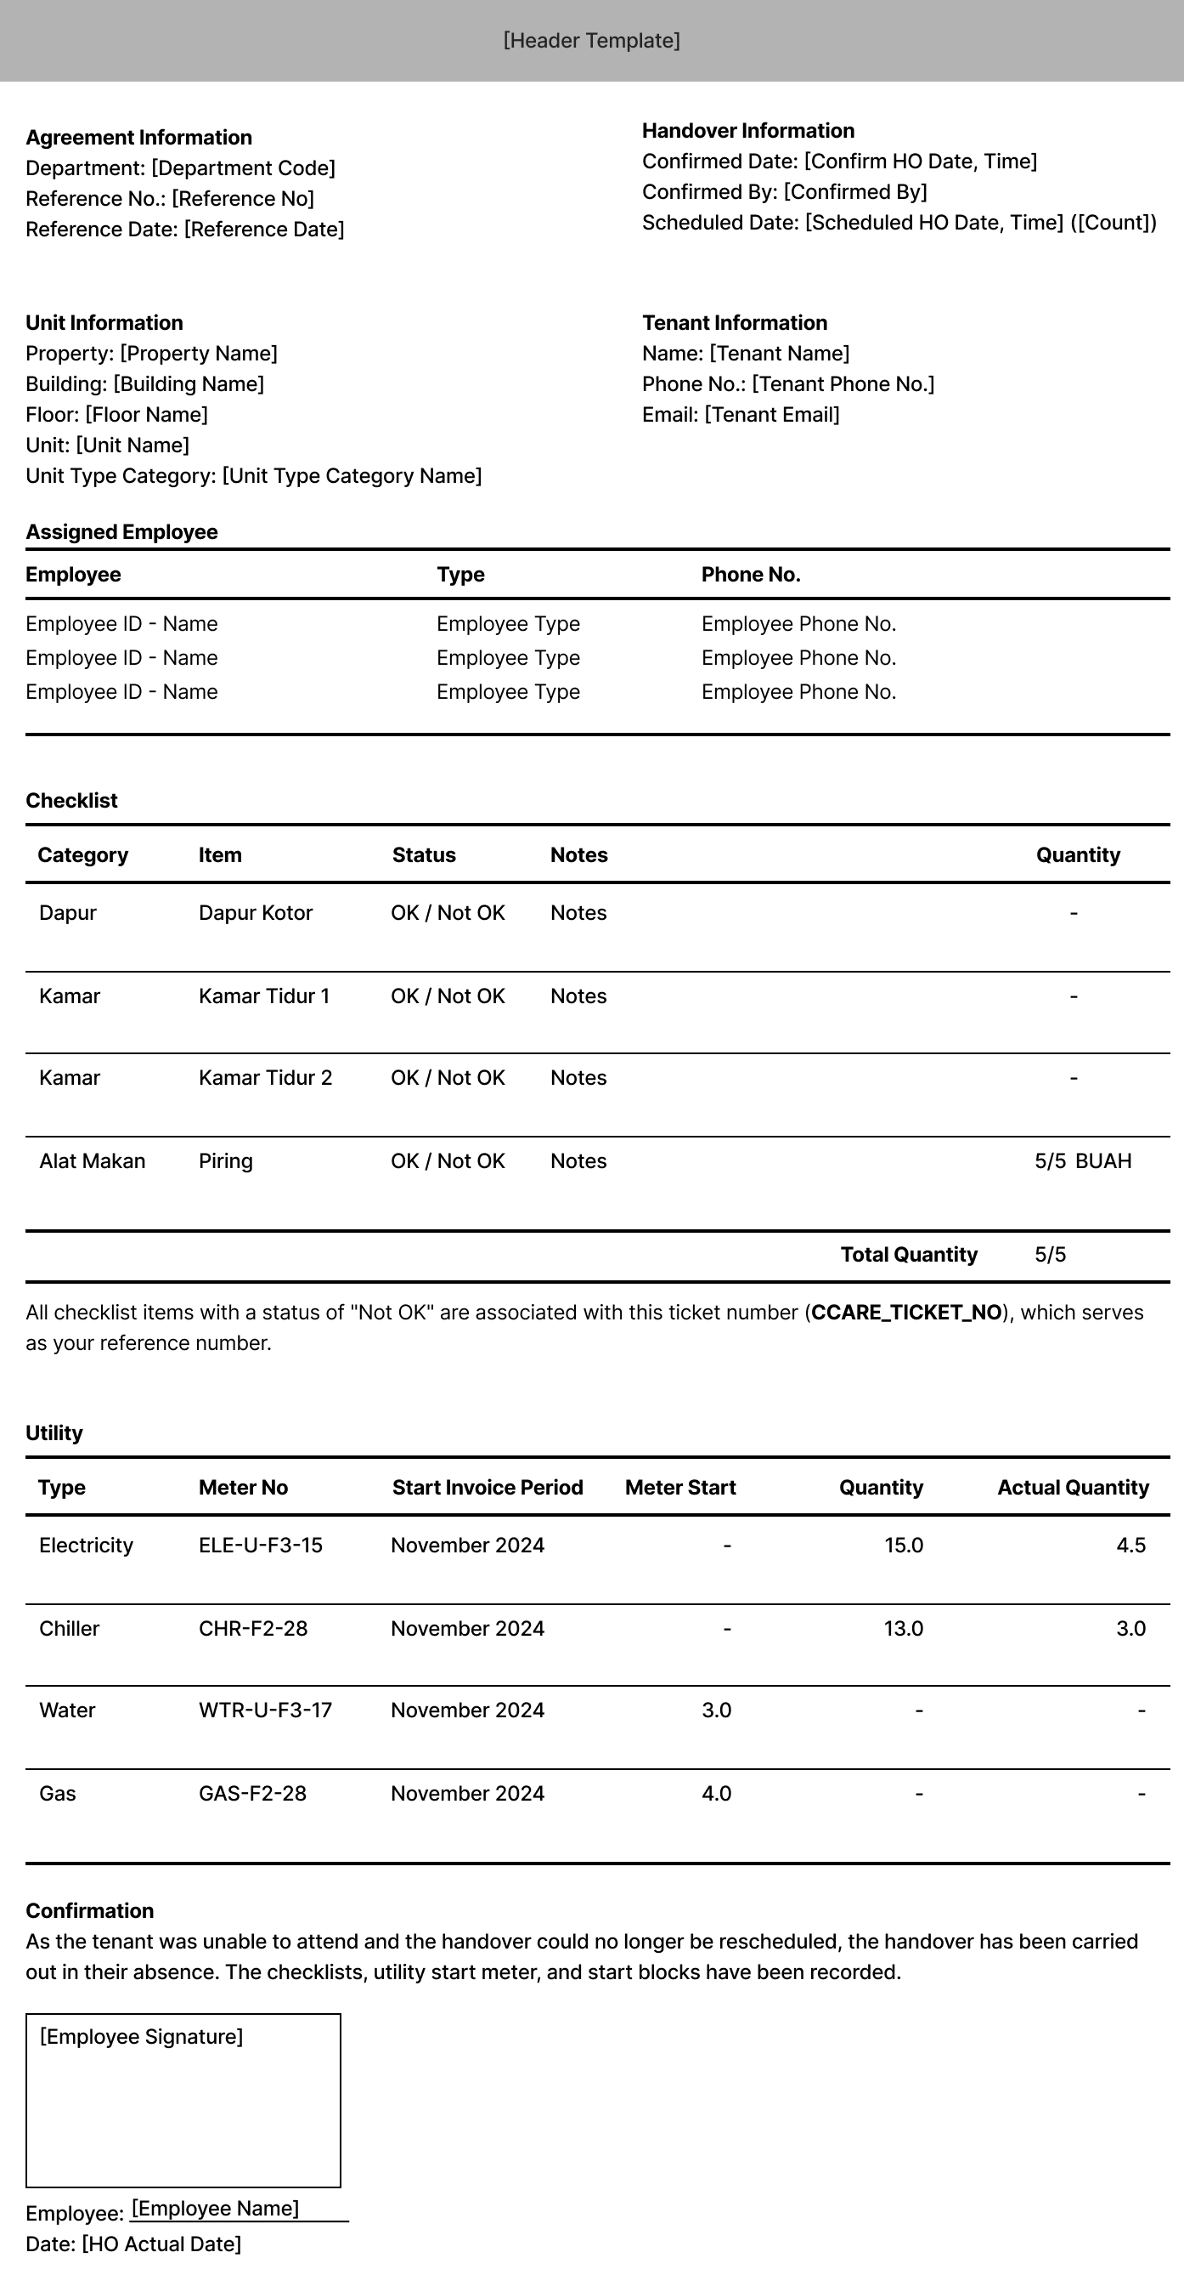
LFORCED_HO = 0 | LFORCED_HO = 1 | LINCLUDE_IMAGES = 1

